Assumptions
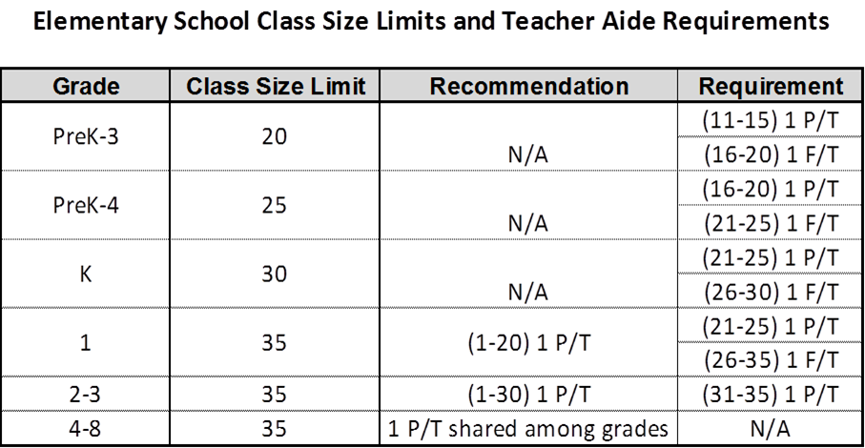
ELEMENTARY SCHOOL: | SCHOOL49
CODE: | 106
BUDGET YEAR: | 2026 - 2027
MAJOR ASSUMPTIONS

1. Enrollment
 | HISTORICAL |  |  | ACTUAL | BUDGET
GRADE | 2022-2023 | 2023-2024 | 2024-2025 | 2025-2026 | 2026-2027
 | 2020 | 2021 | 2022 | 2023 | 2024
PK0 | - | - | - | -
PK1 | - | - | - | -
PK2 | - | - | - | -
PK3 | - | - | - | -
PK4 | - | - | - | -
K | - | - | - | -
1 | - | - | - | -
2 | - | - | - | -
3 | - | - | - | -
4 | - | - | - | -
5 | - | - | - | -
6 | - | - | - | -
7 | - | - | - | -
8 | - | - | - | -
TOTAL | - | - | - | - | -
 |  | 0% | 0% | 0% | 0%

2. Tuition |  |  | Enter Proposed Tuition Increase |  | 2b. Historical Tuition (Parishioner K-8)
 | 2025-2026 | 2026-2027 | % Increase |  |  |  | 2022-2023 | 2023-2024 | 2024-2025
PreK2 (Half day) |  | $0 |  |  |  | Parishioner (K-8)/(5)
PreK2 (Full day) |  | $0
PreK2 (Other) |  | $0
PreK3 (Half day) |  | $0 |  |  | 3. Fees
PreK3 (Full day) |  | $0 |  |  |  |  | 2025-2026 | 2026-2027 | % Increase
PreK3 (Other) |  | $0 |  |  | Indicate whether per student or per family | #405 - Registration Fees -PK (per student) |  |  | 0%
PreK4/ VPK (half day) |  | $0 |  |  |  | #405 - Registration Fees - K-8 (per student) |  |  | 0%
PreK4 (WRAP AROUND PROGRAM) |  | $0 |  |  |  | #404 - Curriculum (per student/family) |  |  | 0%
K-5 - Parishioner Rate |  | $0 |  |  |  | #404 - Technology Fee |  |  | 0%
6-8 - Parishioner Rate |  | $0 |  |  |  | #404 - Graduation Fee (per student) |  |  | 0%
K-5 - Non-Parishioner Rate |  | $0 |  |  |  | #404 - Other Fee (per family) |  |  | 0%
6-8 - Non-Parishioner Rate |  | $0 |  |  |  | #404 - Other Fee (per student/family) |  |  | 0%
K-5 - Non-Catholic Rate |  | $0 |  | Used for gross tuition projection
6-8 - Non-Catholic Rate |  | $0

4. Parish Support |  |  |  |  | 5. Fundraising/Development #475
 | 2025-2026 | 2026-2027 |  |  |  | (Update accordingly) | 2025-2026 | 2026-2027
#478 - from second collections |  |  |  |  |  | Golf Tournament
#479 - from fundraising activities |  |  |  |  |  | Annual Fund
#480 - from offertory |  |  |  |  |  | Book Fair
#480 - in kind support (e.g.. Maintenance/property insurance) |  |  |  |  |  | Endowment
TOTAL | $0 | $0 |  |  |  | Gala
 |  |  |  |  |  | Other
#481 - From neighboring parishes |  |  |  |  |  | TOTAL | $0 | $0

5. Teacher Salary Benchmark to Diocesan Scale |  |  |  |  | 6. Planned Capital Expenses (use Capital template as supporting documentation)
100% | Must choose from dropdown menu |  |  |  | Account | Description | Amount | Reason
 |  |  |  |  | 840 | Capital Expenditures (New)
 |  |  |  |  | 841 | Capital Expenditures (Replaced)
 |  |  |  |  | 842 | Capital Expenditures (Technology)

Summary-Graphs
ELEMENTARY SCHOOL NAME: | SCHOOL49
SUMMARY BUDGET 2026-2027
 | ACTUAL |  |  | BUDGET
 | FY 2023 | FY 2024 | FY 2025 | FY 2026 | FY 2027
OPERATING EXPENSE
OPERATING EXPENSE | $0 | $0 | $0 | $0 | $0
Instruction | $0 | $0 | $0 | $0 | $0
Administration | $0 | $0 | $0 | $0 | $0
Plant Costs | $0 | $0 | $0 | $0 | $0
Fixed Charges | $0 | $0 | $0 | $0 | $0
Ancillary Services | $0 | $0 | $0 | $0 | $0

TOTAL EXPENSE
NON-OPERATING EXPENSE | $0 | $0 | $0 | $0 | $0
Capital Expenditures | $0 | $0 | $0 | $0 | $0
Debt Service | $0 | $0 | $0 | $0 | $0

TOTAL EXPENSE | $0 | $0 | $0 | $0 | $0

TOTAL REVENUE
REVENUE | $0 | $0 | $0 | $0 | $0
Endowment Support | $0 | $0 | $0 | $0 | $0
Home Parish Support | $0 | $0 | $0 | $0 | $0
Net Tuition & Fees | $0 | $0 | $0 | $0 | $0
All Other Revenue | $0 | $0 | $0 | $0 | $0

NET OPERATING INCOME/(DEFICIT) | $0 | $0 | $0 | $0 | $0

NET INCOME/(DEFICIT) | $0 | $0 | $0 | $0 | $0
 | FY 2023 | FY 2024 | FY 2025 | FY 2026 | FY 2027
ENROLLMENT | 0 | 0 | 0 | 0 | 0
ENROLLMENT - YOY INCREASE/(DECREASE) | 0 | 0 | 0 | 0 | 0
 | FY 2023 | FY 2024 | FY 2025 | FY 2026 | FY 2027
COST PER PUPIL (Net of Deprecition and Funded depreciation) | $0 | $0 | $0 | $0 | $0
 | FY 2023 | FY 2024 | FY 2025 | FY 2026 | FY 2027
TUITION (K-8 Catholic) | $0 | $0 | $0 | $0 | $0

NET TUITION PER STUDENT | $0 | $0 | $0 | $0 | $0
TUITION (CATHOLIC) AS A % OF COST PER PUPIL | 0% | 0% | 0% | 0% | 0%
NET TUITION PER STUDENT AS A % OF COST PER PUPIL | 0% | 0% | 0% | 0% | 0%
NET TUITION & FEES AS A % OF TOTAL OPERATING EXPENSES | 0% | 0% | 0% | 0% | 0%
HOME PARISH SUPPORT AS A % OF OPERATING EXPENSES | 0% | 0% | 0% | 0% | 0%
 | FY 2023 | FY 2024 | FY 2025 | FY 2026 | FY 2027
SALARIES, WAGES & BENEFITS | $0 | $0 | $0 | $0 | $0
NET TUITION & FEES AS A % OF SALARIES,WAGES & BENEFITS | 0% | 0% | 0% | 0% | 0%

